Guide
Guide

 | Cell colours
 |  |  | Input | Light yellow shade

 |  |  | Link from another sheet * | Blue font
 |  |  | * except outputs that can be presumed to be imported from other sheets.

 |  |  | Calculation or a link within the same sheet | Black font

 |  |  | Link to another sheet ** | Red font
 |  |  | ** except inputs that can be presumed to be exported to other sheets.

 |  |  | Stored value | Light turquoise shade

 |  |  | Needs attention | Yellow shade

 |  |  | Cells with deliberately inconsistent or missing formula

 | Navigation
 |  | Linked cells
 |  |  | To navigate efficiently, the following two key strokes are helpful:

 |  |  | 1) To go to the source of a linked cell: double click on the cell (as if it were a website link) or press CTRL+ [

 |  |  | 2) To return to your last position: press F5 + Enter

 |  |  | To permit the first of the above to work, you need to change one of Excel's default settings, specifically:
 |  |  | Under File, Options, Advanced, un-tick the "Allow editing directly in cells" box:
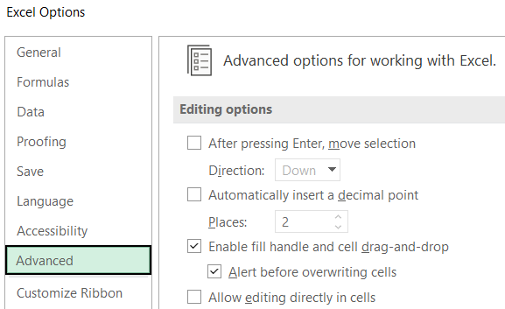

 |  |  | This is an Excel application level change, and so you will only need to make this change once.

 |  | Sections headings
 |  |  | Furthermore, the purpose of columns A, B, and C are to act as section headings, partly to aid navigation.
 |  |  | Place yourself in either column and use Ctrl + PgUp / PgDn to move efficiently between sections.

end

